School Profile
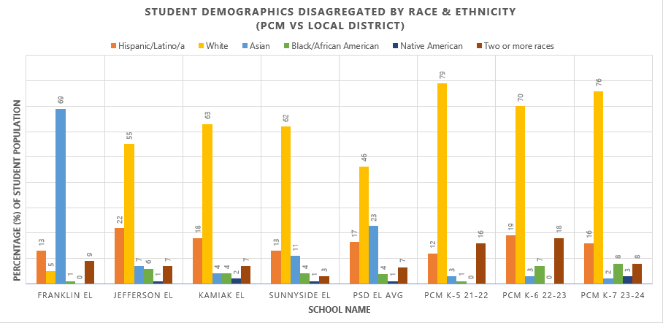
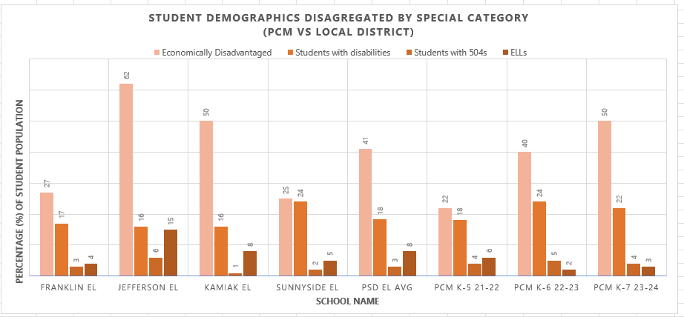
School Profile

 | General & Categorical Funding |  |  |  |  |  |  |  |  | Grant Funding
Staff size | Admin/Coach | Sped Dir/Teach | Cert (Guide-full) | Cert (Guide-conditional) | Classified (IA Classroom-emergency cert) | Classified (IA Classroom-Certified) | Classified (IA SPED-emergency cert) | Classified (Other) | Counselor | Nurse | TOTAL |  | IA Sub Pool | Bus Driver Sub Pool | Classified Sub Pool
School | 2 | 1 | 2.6 | 3 | 5 | 1 | 2 | 5 | 1 | 0.8 | 23.4 |  | 1 | 1 | 1
 | jill, laylah | emily | dave, laura, melissa | christina, demond, new | katie, trish, jordan, sara |  | james | desiree, nicole veronica, shayne, kathleen
Enrollment (21-22) | Budget | Aug | Sept | Oct | Nov | Dec | Jan | Feb | March | April | May | June
K | 25 | 18
1 | 31 | 31
2 | 27 | 26
3 | 16 | 16
4 | 11 | 13
5 | 9 | 9
6 | 9 | 9
7 | 8 | 8
Total (K-6th) | 136 | 130 | 0 | 0 | 0 | 0 | 0 | 0 | 0 | 0 | 0 | 0

 | Sped | 504 | ELL | LAP (ELA) |  |  | Title 1 (Math)
Special Populations | 30 | 6 | 4 (1 mon) | 22-25 |  |  | 24-30

Current School Demographics

