School Profile
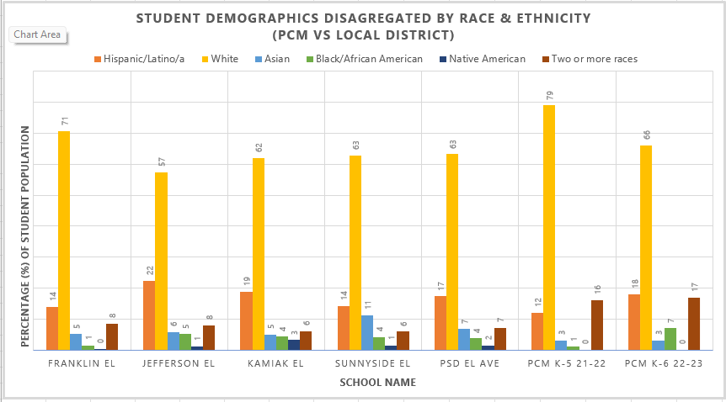
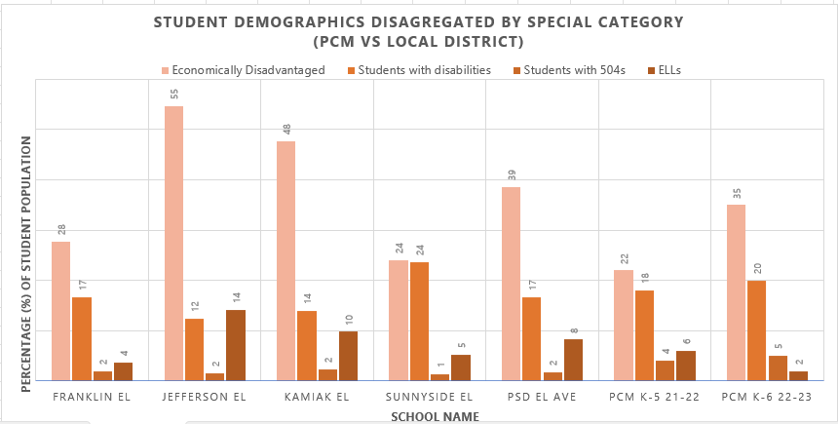
School Profile

 | General & Categorical Funidng |  |  |  |  |  |  | Grant Funding
Staff size | Admin/Coach | Sped Dir/Teach | Cert (Guide-full) | Cert (Guide-conditional) | Classified (IA Classroom-emergency cert) | Classified (IA SPED-emergency cert) | Classified (Other) | Counselor | Tutor | TOTAL | IA Sub Pool | Bus Driver Sub Pool | Classified Sub Pool
School | 2 | 1 | 2 | 3 | 4 | 1.5 | 4 | - | 0.5 | 18 | 1 | 0 | 0
 | jill, laylah | emily | dave, laura, melissa | christina, demond, new | katie, trish, jordan, sara | james | desiree, nicole veronica, shayne, kathleen
Enrollment (21-22) | Budget | Sept | Oct | Nov | Dec | Jan | Feb | March | April | May | June
K | 30 | 30 | 30 | 30 | 31 | 29 | 30 | 30 | 32 | 32 | 32
1 | 22 | 22 | 21 | 21 | 21 | 21 | 21 | 21 | 21 | 20 | 19
2 | 11 | 13 | 13 | 13 | 13 | 13 | 14 | 12 | 12 | 11 | 11
3 | 11 | 11 | 11 | 9 | 9 | 9 | 9 | 10 | 10 | 9 | 9
4 | 7 | 4 | 5 | 4 | 4 | 4 | 4 | 4 | 4 | 4 | 4
5 | 13 | 13 | 13 | 12 | 12 | 11 | 11 | 11 | 11 | 11 | 11
6 | 6 | 6 | 5 | 5 | 5 | 5 | 5 | 5 | 5 | 5 | 6
Total (K-6th) | 100 | 99 | 98 | 94 | 95 | 92 | 94 | 93 | 95 | 92 | 92

 | Sped | 504 | ELL | LAP (ELA) |  |  | Title 1 (Math)
Special Populations | 21 | 5 | 2 (1 mon) | 22 (10 Low, 12 LoAvg) |  |  | 24 (14 Low, 10 LoAvg)

Current School Demographics |  | UD 5/22/2023

