Revenue
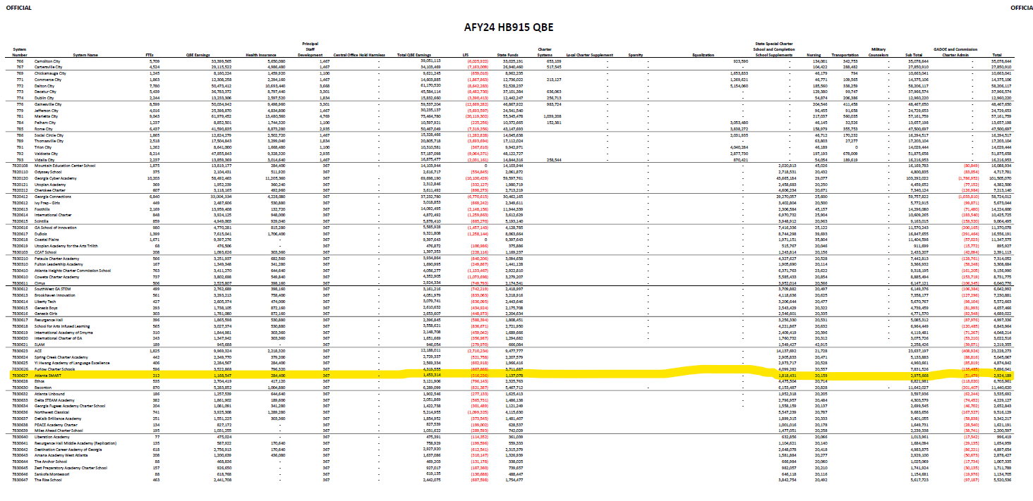
State
 | Midterm allotment | 2,924,189.00
 | Student Count | 212
 | Per student | 13,793.34

 | FY25 projected Student Count | 275
Overall | QBE revenue for FY25 | 3,793,169.69

3140 | Contra - 5 mill | (410,341.51) | 10.82%
 |  | 3,382,828.18

3120 | Total QBE | 1,619,675.21 | 42.70%
3122 | QBE Allotment | 112,126.53 | 2.96%
3125 | State Cat Grants | 21,787.12 | 0.57%
1199 | Charter Commission | 2,388,410.21 | 62.97%

 |  |  |  |  |  |  | 290,053.00
 |  |  |  |  |  |  | 123,852.00
 |  |  |  |  |  |  | 8,574.00

 |  |  |  |  |  |  | 1,666.00
 |  |  |  |  |  |  | 182,635.00

 |  |  | To determine breakout:
 |  |  |  | Contra | 10.82% | Num taken from LFS column

 |  |  | 3120 | Total QBE | 42.70% | Breakdown based on Feb Payment sheet
 |  |  | 3122 | QBE Allotment | 2.96%
 |  |  | 3125 | State Cat Grants | 0.57%
 |  |  | 1199 | Charter Commission | 62.97%

